Metrics and Plots
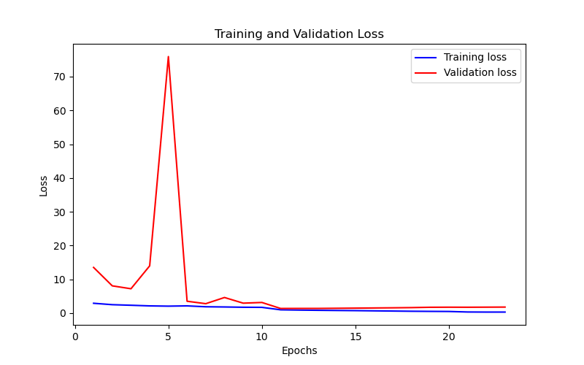
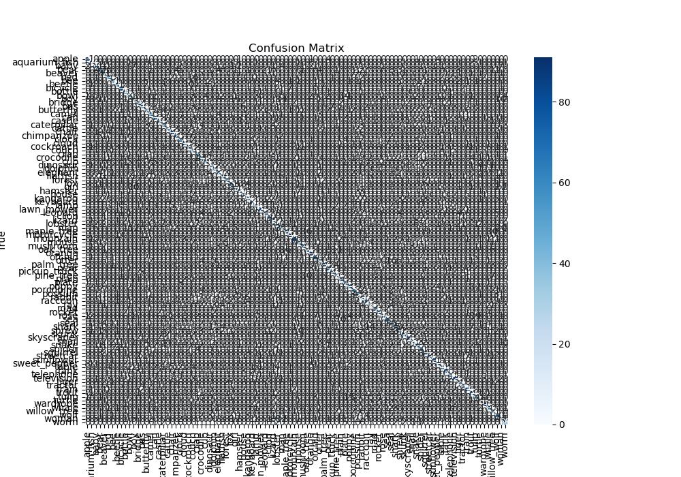
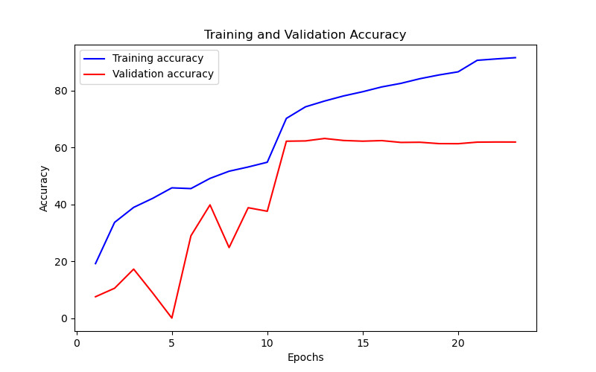
Epoch | Train Accuracy | Train Loss | Validation Accuracy | Validation Loss
1 | 19.16 | 2.893 | 7.5 | 13.509
2 | 33.66 | 2.473 | 10.49 | 8.051
3 | 38.94 | 2.303 | 17.22 | 7.19
4 | 42.13 | 2.116 | 8.8 | 13.971
5 | 45.81 | 2.039 | 0 | 75.94
6 | 45.55 | 2.12 | 28.94 | 3.489
7 | 49.14 | 1.856 | 39.82 | 2.77
8 | 51.66 | 1.797 | 24.81 | 4.601
9 | 53.15 | 1.715 | 38.82 | 2.924
10 | 54.82 | 1.684 | 37.58 | 3.128
11 | 70.24 | 0.957 | 62.22 | 1.356
12 | 74.31 | 0.877 | 62.32 | 1.364
13 | 76.35 | 0.812 | 63.18 | 1.366
14 | 78.15 | 0.759 | 62.47 | 1.408
15 | 79.63 | 0.715 | 62.23 | 1.454
16 | 81.32 | 0.651 | 62.43 | 1.5
17 | 82.57 | 0.589 | 61.79 | 1.547
18 | 84.21 | 0.529 | 61.85 | 1.607
19 | 85.53 | 0.492 | 61.37 | 1.707
20 | 86.63 | 0.465 | 61.34 | 1.729
21 | 90.68 | 0.309 | 61.89 | 1.716
22 | 91.17 | 0.284 | 61.94 | 1.74
23 | 91.61 | 0.285 | 61.93 | 1.764

